Energy_item
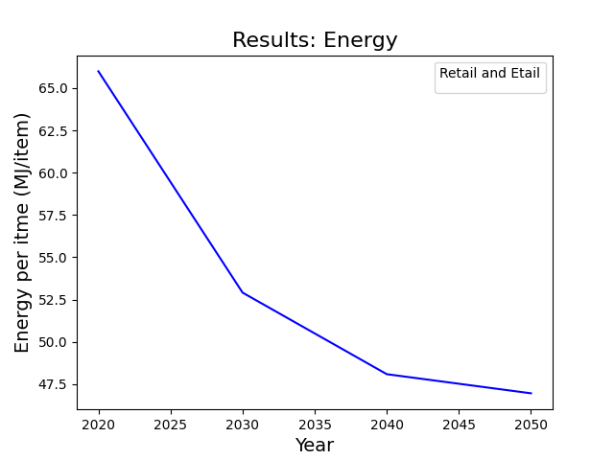
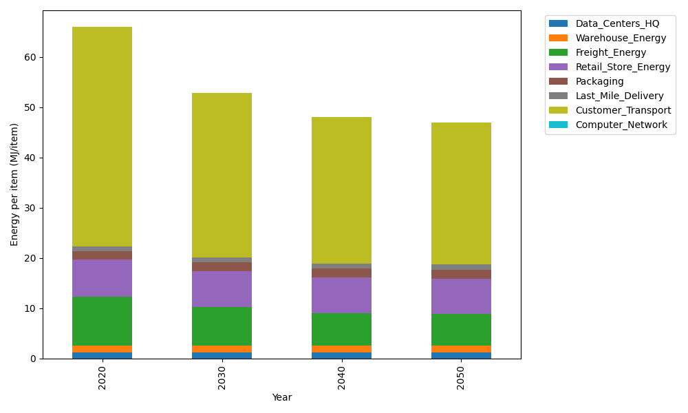
Years | Data_Centers_HQ | Warehouse_Energy | Freight_Energy | Retail_Store_Energy | Packaging | Last_Mile_Delivery | Customer_Transport | Computer_Network | Total
2020 | 1.2374454567 | 1.3412521336 | 9.7433584834 | 7.3082998956 | 1.6924080531 | 0.95076550808 | 43.67500733 | 0.042947817313 | 65.991484678
2030 | 1.2398035056 | 1.356587429 | 7.6260463198 | 7.1789947745 | 1.7482184297 | 0.94162239211 | 32.771962924 | 0.047965773574 | 52.911201548
2040 | 1.2421872542 | 1.3720898593 | 6.4080835507 | 7.0482803945 | 1.8046370673 | 0.98081824728 | 29.181790782 | 0.05303841908 | 48.090925574
2050 | 1.2445493503 | 1.3874514755 | 6.253868168 | 6.9187533404 | 1.8605432342 | 1.0623790963 | 28.175418101 | 0.058064987918 | 46.961027754

CO2_item
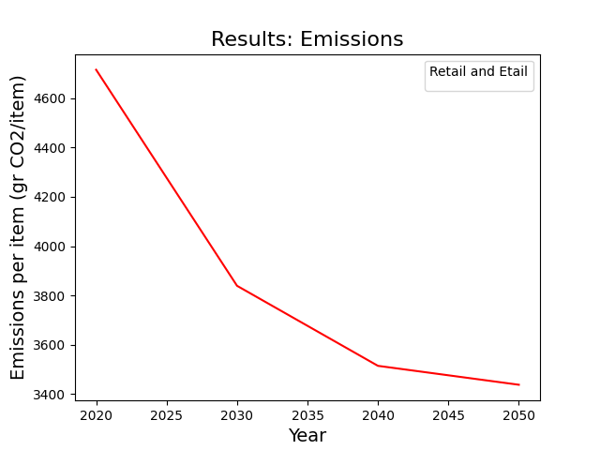
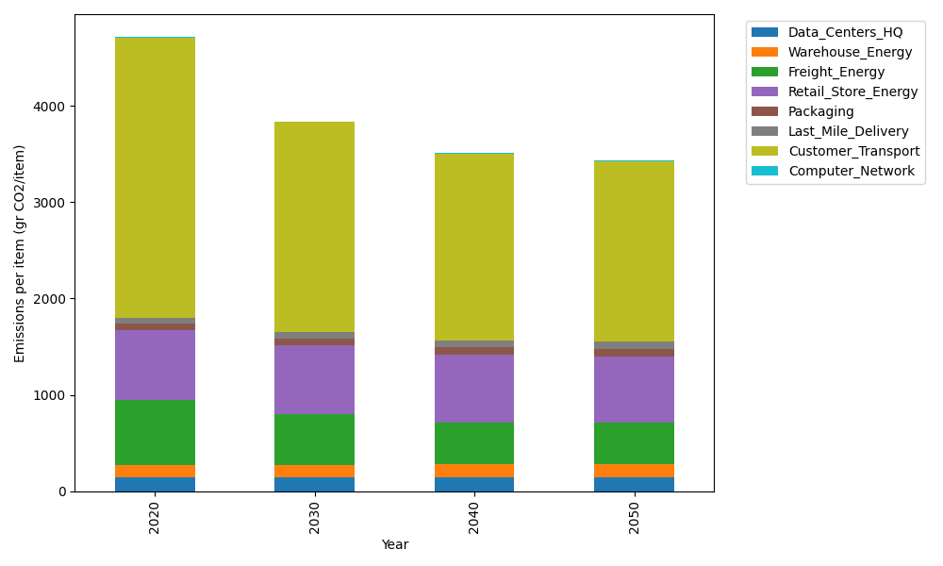
Years | Data_Centers_HQ | Warehouse_Energy | Freight_Energy | Retail_Store_Energy | Packaging | Last_Mile_Delivery | Customer_Transport | Computer_Network | Total
2020 | 140.15123629 | 133.8957558 | 668.05641692 | 728.82211648 | 65.595874581 | 65.263518433 | 2906.3212793 | 7.2443006299 | 4715.3504984
2030 | 140.46236419 | 135.4334372 | 522.62890183 | 715.9271295 | 71.157981174 | 64.635906354 | 2180.7861986 | 8.0907134625 | 3839.1226323
2040 | 140.77688299 | 136.98787735 | 438.93457685 | 702.89160381 | 76.780707548 | 67.326432456 | 1941.8808307 | 8.9463511021 | 3514.5252628
2050 | 141.08854489 | 138.52819795 | 428.26001326 | 689.97448449 | 82.352360672 | 72.92502425 | 1874.9125 | 9.7942166767 | 3437.8353422

